Target Area Instructions
Community Affairs
Target Area Instructions

Determining Your Maximum Target Area
If you are awarded an HRAP grant, all funding must be spent on projects within your Service Area, which is comprised of 1 - 5 counties. Grantees should strive to spend 70% of funding within the target area as a goal. The Target Area being comprised of selected census tracts within your Service Area. The maximum number of census tracts that may be selected as your Target Area is dependent on the total population of your Service Area. Please see the table below for details:

 | Service Area Total Population | Maximum Census Tracts in Target Area
 | < 25,000 | 3
 | 25,000 - 99,999 | 6
 | 100,000 - 499,999 | 12
 | > 499,999 | 20

 | Total Population in Your Service Area | Maximum Census Tracts in Your Target Area
 | 0 | 3

Selecting Your Target Area
Once your Service Area has been selected and the maximum number of census tracts allowed in your Target Area is determined (see above), you must select your Target Area tracts in the "Target Area Data Profile" tab. To select a tract, please use the drop-down menus in the yellow cells to select the county and then the tract number. Note: Target areas that have a higher percentage of tracts that are High Revitalization Impact Areas will receive more points.
To assist in the selection of your Target Area tracts, please use the link below to access an interactive map published by IHDA. Click on any census tract to view a pop-up with details about the tract, including the tract number (circled in red below). For a more detailed view of places and street names, use the + button in the upper right-hand corner to zoom in.
Note that the interactive map linked above and the entirety of this Excel data profile uses census tracts as they were defined for the 2010 Census.
Link to IHDA's Revitalization Impact Areas Map
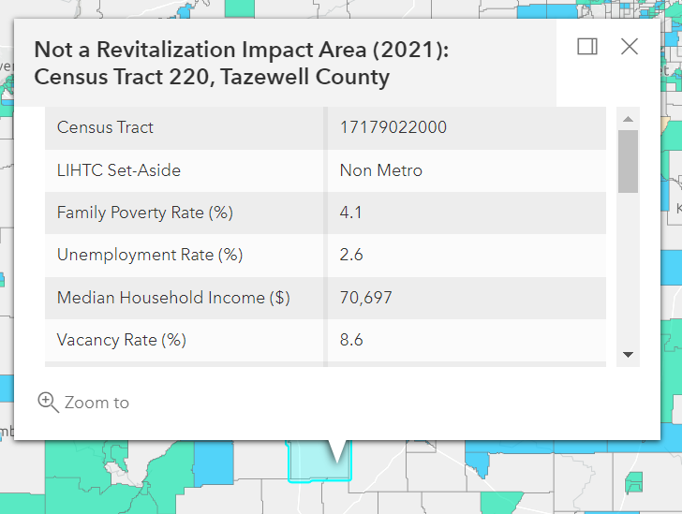

If you have any questions, please email HRAPinfo@ihda.org.

