Green Design Cert
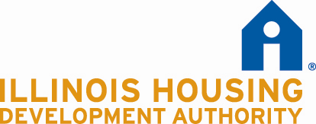
 | PERMANENT SUPPORTIVE HOUSING DEVELOPMENT PROGRAM
 | Green Initiatives Certification
 | 2016-06-10

 |  | Project Name:
 |  | Project Location or Address:
 |  | Sponsor:
 |  | Number of Units:
 |  | Number of Buildings:

I, |  | (name), of |  | (Architectural Firm), hereby certify that
to the best of my knowledge the Project listed above will comply with the following items:

 |  | • Commit to obtaining EPA Energy Star certification -or- • Minimum 10% improvement for new construction (5% for rehabilitation) above ASHRAE 90.1210 proven by a completed energy model, -or- • HERS rating of 75 or lower

 |  | Commit to obtaining a sustainable building certification from one of the following: • U.S. Green Building Council LEED certification -or- • Enterprise Green Communities 2015 certification -or- • ICC 700 National Green Building Standard certification

 |  | Meet minimum standards in the Authority Standards for Architectural Planning and Construction indicated for Energy Efficiency and Green Criteria; and Commit to obtaining a sustainable building certification from one of the following: • Passive House Certification through PHiUS or PHI –or- • Certification through Living Building Challenge –or- • Alternative certification for a high performance building achieving ‘Net Zero Capable’ status as approved by the Authority.

 |  |  | Signature: |  | Date:
 |  |  | Name:
 |  |  | Illinois License Number:
 |  |  | Firm:
 |  |  | Address:
 |  |  | Telephone Number:
 |  |  | Professional Design Firm License No:

